Instructions
Attachment B for Professional Services
Use the set of forms in this workbook to describe the scope of the tasks to be performed and to
calculate the value of the work based on the hourly rates set forth in Attachment A of the Agreement.
Last Revised 2/25/2014 (Alt 10S kme)
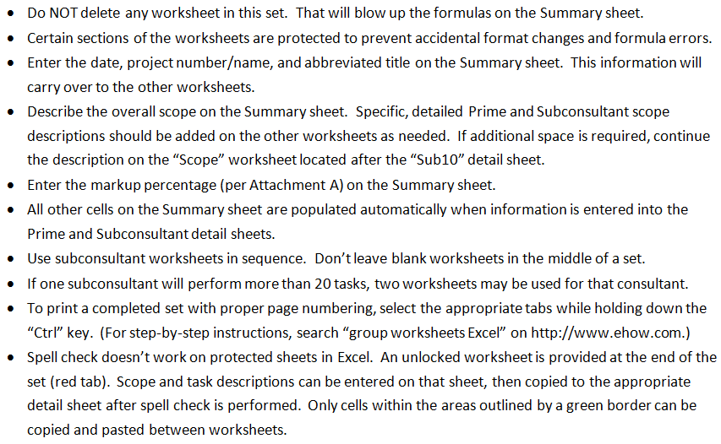
The forms are on the following worksheets.
Use the tabs to move among the worksheets.
 | H | H | H | H

